Table 17
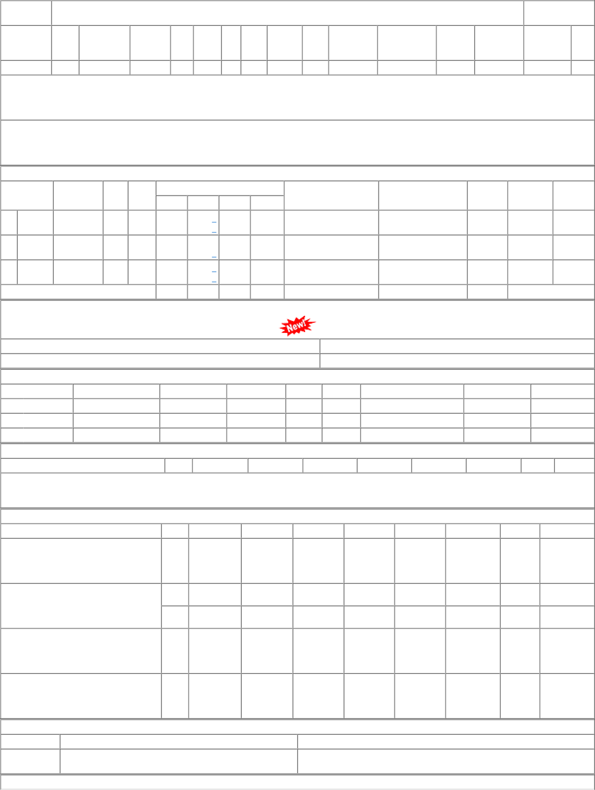
ORDERS PLACED DURING LAST 3 YEARS

